Sheet2
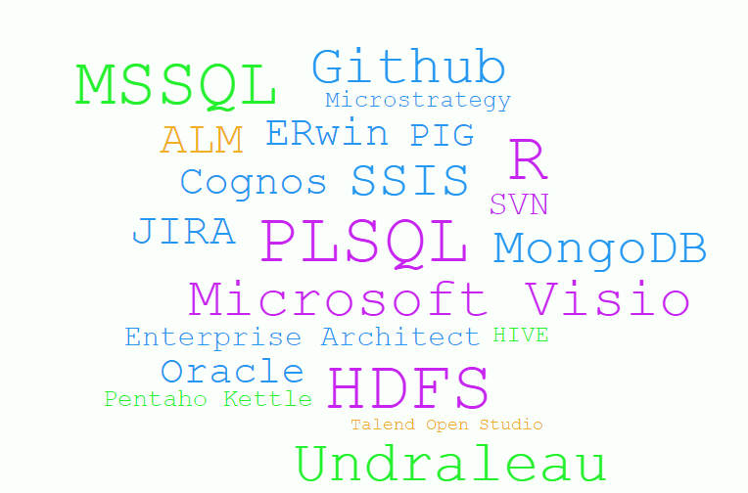
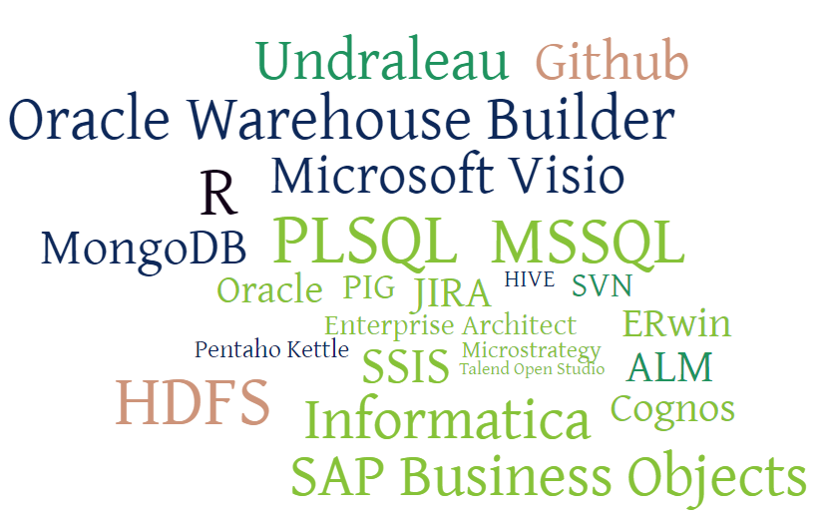
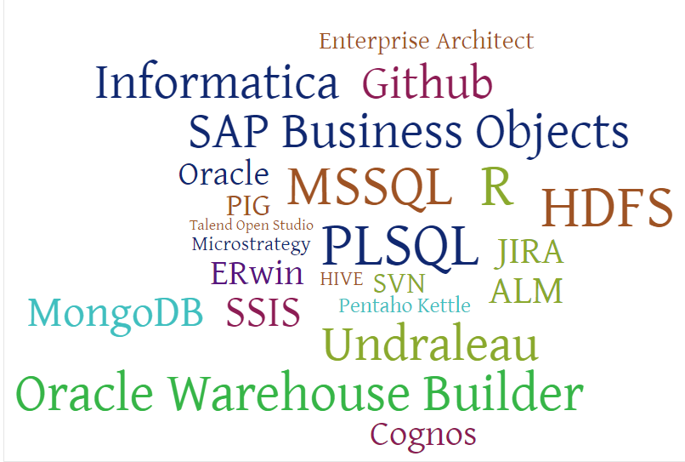
 |  |  |  |  |  | Researched and created prototype to migrate Meta data model between different BI tools (Pentaho /Oracle Warehouse builder) using Common Warehouse Metamodel (CWM)

 |  |  |  | Trained in Informatica, Business Objects

 |  |  |  |  |  |  |  | worked in Higher Education Domain includes Projects like Banner ODS/EDW, Student Retention Process
 |  | Graduated Bachelors of Engineering in Computer Science & Engineering |  |  |  |  |  |  |  |  |  |  | Worked in Airline, Finance Domain includes project like dnata MIS, Monthly Performance Reporting, Airport Business Intelligence etc.,

2000 | 01 | 02 | 03 | 04 | 05 | 06 | 07 | 08 | 09 | 10 | 11 | 12 | 13 | 14 | 15 | NOW

 |  |  |  |  |  |  |  |  |  |  |  |  | Emirates, Dubai, UAE

Bharathiar University, Coimbatore, India
 |  |  |  |  |  |  |  |  | Sungard Higher Education, Dubai, UAE
 |  |  | Real Soft Technologies, Bangalore, India

 |  |  |  |  |  | Sungard Higher Education, Bangalore, India

